Sheet1
HOUSE PRICE
ANALYSIS
AVERAGE PRICE BY LOCTION
741186.4822

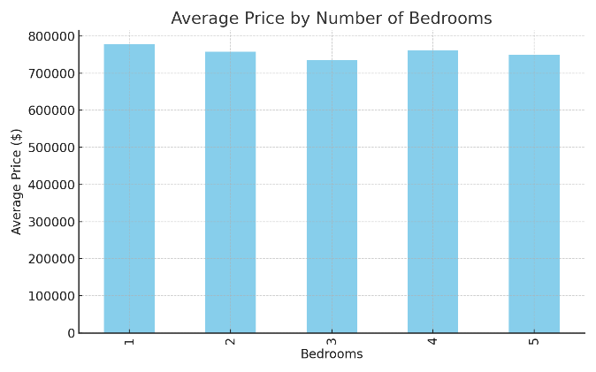
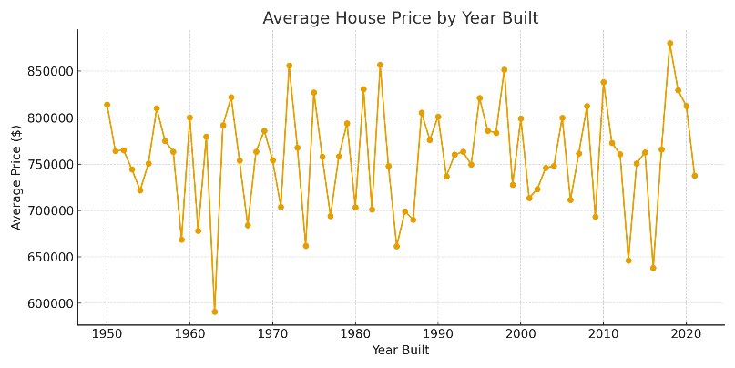

Maximum Price
1499811

Count of Houses by Bedrooms
959
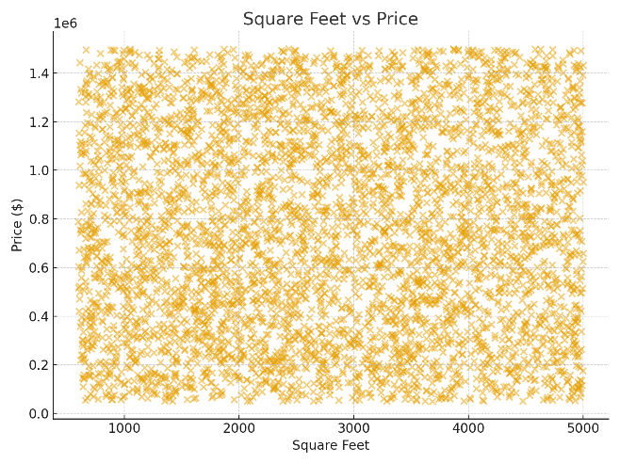
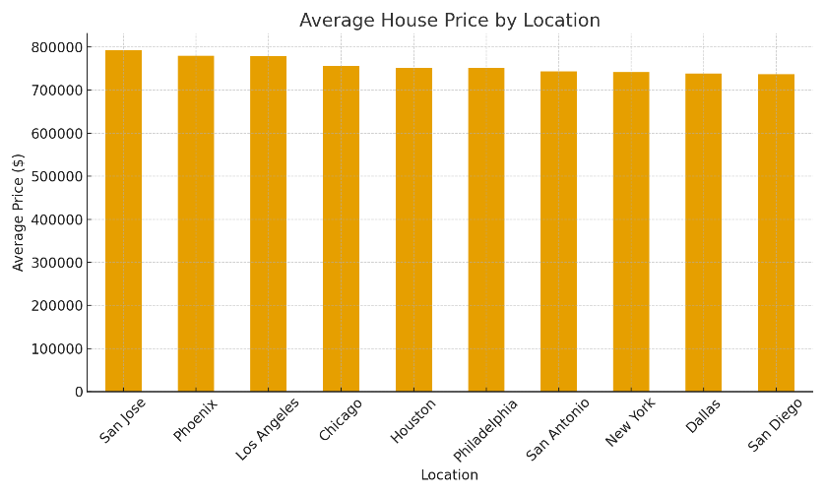

Sum of Prices in Chicago
387654394

